Instruction and Exemple
 | Instruction and example

 | Enter data in cell on sheet Summary annual time.

 | On the sheet for single months, enter acronym, work package and number of hours in areas marked with an ellipse in example, Other activities and absence is optional:

 | Timesheet, Lund University - H2020 and Horizon Europe

 | Employee: |  |  | Researcher

 | Typ of personnel: |  |  | Senior Staff

 | Beneficiary: |  |  | Lund University

 | Acronym:

 | Month/Year: |  |  | 2026-01-01

 | Acronym |  | Work package | 2023-01-01 | 2023-01-02 | 2023-01-03 | 2023-01-04 | 2023-01-05 | 2023-01-06 | 2023-01-07 | 2023-01-08 | 2023-01-09 | 2023-01-10 | 2023-01-11 | 2023-01-12 | 2023-01-13 | 2023-01-14 | 2023-01-15 | 2023-01-16 | 2023-01-17 | 2023-01-18 | 2023-01-19 | 2023-01-20 | 2023-01-21 | 2023-01-22 | 2023-01-23 | 2023-01-24 | 2023-01-25 | 2023-01-26 | 2023-01-27 | 2023-01-28 | 2023-01-29 | 2023-01-30 | 2023-01-31 | Total

 | ABC |  | 1 |  | 8 |  |  |  |  |  |  |  |  |  |  |  |  |  |  |  |  |  |  |  |  |  |  |  |  |  |  |  |  |  | 8
 | ABC |  | 2 |  | 8 |  |  |  |  |  |  |  |  |  |  |  |  |  |  |  |  |  |  |  |  |  |  |  |  |  |  |  |  |  | 8
 | ABC |  | 3 |  | 8 |  |  |  |  |  |  |  |  |  |  |  |  |  |  |  |  |  |  |  |  |  |  |  |  |  |  |  |  |  | 8
 | BCD |  | 1 |  | 8 |  |  |  |  |  |  |  |  |  |  |  |  |  |  |  |  |  |  |  |  |  |  |  |  |  |  |  |  |  | 8
 |  |  |  |  |  |  |  |  |  |  |  |  |  |  |  |  |  |  |  |  |  |  |  |  |  |  |  |  |  |  |  |  |  |  | 0
 |  |  |  |  |  |  |  |  |  |  |  |  |  |  |  |  |  |  |  |  |  |  |  |  |  |  |  |  |  |  |  |  |  |  | 0
 |  |  |  |  |  |  |  |  |  |  |  |  |  |  |  |  |  |  |  |  |  |  |  |  |  |  |  |  |  |  |  |  |  |  | 0
 |  |  |  |  |  |  |  |  |  |  |  |  |  |  |  |  |  |  |  |  |  |  |  |  |  |  |  |  |  |  |  |  |  |  | 0
 |  |  |  |  |  |  |  |  |  |  |  |  |  |  |  |  |  |  |  |  |  |  |  |  |  |  |  |  |  |  |  |  |  |  | 0
 |  |  |  |  |  |  |  |  |  |  |  |  |  |  |  |  |  |  |  |  |  |  |  |  |  |  |  |  |  |  |  |  |  |  | 0
 |  | Total hour project |  | 0 | 32 | 0 | 0 | 0 | 0 | 0 | 0 | 0 | 0 | 0 | 0 | 0 | 0 | 0 | 0 | 0 | 0 | 0 | 0 | 0 | 0 | 0 | 0 | 0 | 0 | 0 | 0 | 0 | 0 | 0 | 32

Optional
Other activities and absence | Other EU-funded activities |  |  |  |  |  |  |  |  |  |  |  |  |  |  |  |  |  |  |  |  |  |  |  |  |  |  |  |  |  |  |  |  |  | 0 | 0
 | Other activities (Teaching/Research etc) |  |  |  |  |  |  |  |  |  |  |  |  |  |  |  |  |  |  |  |  |  |  |  |  |  |  |  |  |  |  |  |  |  | 0 | 0
 | Sick leave |  |  |  |  |  |  |  |  |  |  |  |  |  |  |  |  |  |  |  |  |  |  |  |  |  |  |  |  |  |  |  |  |  | 0 | 0
 | Parental leave |  |  |  |  |  |  |  |  |  |  |  |  |  |  |  |  |  |  |  |  |  |  |  |  |  |  |  |  |  |  |  |  |  | 0 | 0
 | Vacation |  |  |  |  |  |  |  |  |  |  |  |  |  |  |  |  |  |  |  |  |  |  |  |  |  |  |  |  |  |  |  |  |  | 0 | 0
 | Other absence |  |  |  |  |  |  |  |  |  |  |  |  |  |  |  |  |  |  |  |  |  |  |  |  |  |  |  |  |  |  |  |  |  | 0 | 0
 | Hours | Non project related activity |  | 0 | 0 | 0 | 0 | 0 | 0 | 0 | 0 | 0 | 0 | 0 | 0 | 0 | 0 | 0 | 0 | 0 | 0 | 0 | 0 | 0 | 0 | 0 | 0 | 0 | 0 | 0 | 0 | 0 | 0 | 0 | 0
 |  | Total productive hours |  | 0 | 0 | 0 | 0 | 0 | 0 | 0 | 0 | 0 | 0 | 0 | 0 | 0 | 0 | 0 | 0 | 0 | 0 | 0 | 0 | 0 | 0 | 0 | 0 | 0 | 0 | 0 | 0 | 0 | 0 | 0 | 0
 |  | Total absence (hours) |  | 0 | 0 | 0 | 0 | 0 | 0 | 0 | 0 | 0 | 0 | 0 | 0 | 0 | 0 | 0 | 0 | 0 | 0 | 0 | 0 | 0 | 0 | 0 | 0 | 0 | 0 | 0 | 0 | 0 | 0 | 0 | 0
 | Days | Non project related activity |  | 0 | 0 | 0 | 0 | 0 | 0 | 0 | 0 | 0 | 0 | 0 | 0 | 0 | 0 | 0 | 0 | 0 | 0 | 0 | 0 | 0 | 0 | 0 | 0 | 0 | 0 | 0 | 0 | 0 | 0 | 0 | 0
 |  | Total productive days |  | 0 | 0 | 0 | 0 | 0 | 0 | 0 | 0 | 0 | 0 | 0 | 0 | 0 | 0 | 0 | 0 | 0 | 0 | 0 | 0 | 0 | 0 | 0 | 0 | 0 | 0 | 0 | 0 | 0 | 0 | 0 | 0
 |  | Total absence (days) |  | 0 | 0 | 0 | 0 | 0 | 0 | 0 | 0 | 0 | 0 | 0 | 0 | 0 | 0 | 0 | 0 | 0 | 0 | 0 | 0 | 0 | 0 | 0 | 0 | 0 | 0 | 0 | 0 | 0 | 0 | 0 | 0
For persons who do NOT work exclusively for the action, the beneficiaries must:
− show the actual hours worked, with reliable time records (i.e. time-sheets) either on paper or in a computer-based time recording system.
Time records must be dated and signed at least monthly by the person working for the action and his/her supervisor.
Time records should include, as a minimum:
− the title and number of the action, as specified in the GA
− the beneficiary’s full name, as specified in the GA
− the full name, date and signature of the person working for the action
− the number of hours worked for the action in the period covered by the time record
− the supervisor’s full name and signature
− a reference to the action tasks or work packages of Annex 1, to which the person has contributed by the reported working hours.
Information included in time-sheets must match records of annual leave, sick leave, other leaves and work-related travel.

 | Signature (employee) |  |  |  |  | Approved (supervisor)

 | Date |  |  |  |  | Date

HEU Annotated Model Grant Agreement: https://ec.europa.eu/info/funding-tenders/opportunities/docs/2021-2027/common/guidance/aga_en.pdf

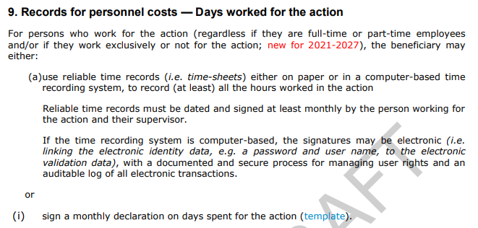
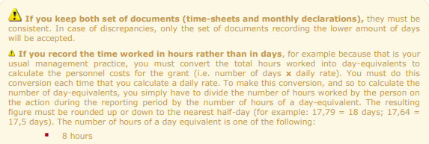

H2020 Annotated Model Grant Agreement: https://ec.europa.eu/research/participants/data/ref/h2020/grants_manual/amga/h2020-amga_en.pdf

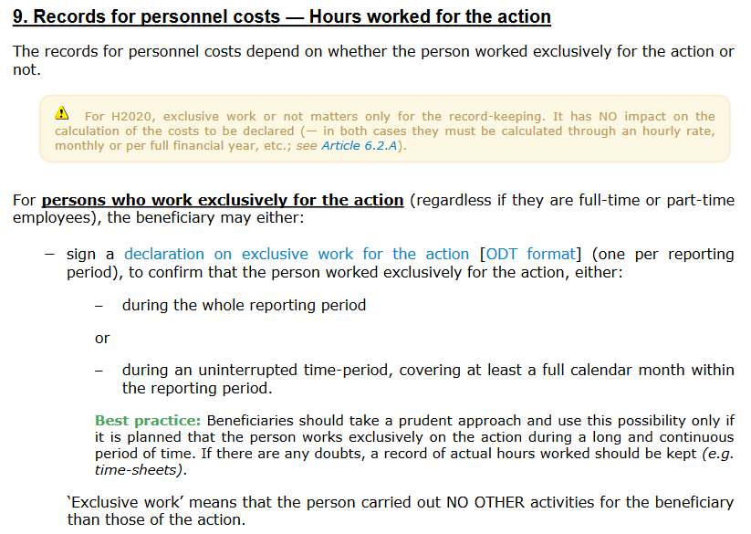
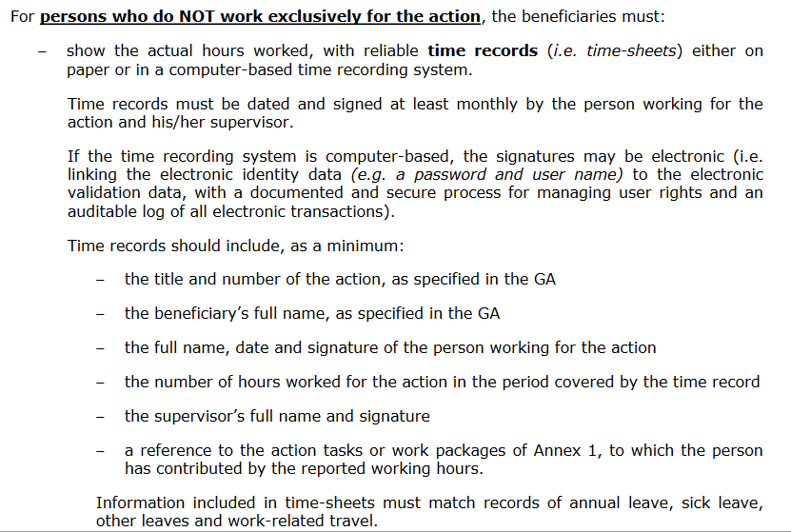

Summary annual time 2026 (Hour)
Timesheet

Employee: |  | Researcher

Typ of personnel: |  | Senior Staff

Beneficiary: |  | Lund University

Period |  | 2026-01-01 |  | - | 2026-12-31

Efter varje inmatning av timmar:
- Högerklicka på "Totalsumma",
tryck uppdatera.

Acronym
- Workpackage | jan | feb | mar | apr | may | jun | jul | aug | sep | oct | nov | dec | Total

Totalsumma | 0 | 0 | 0 | 0 | 0 | 0 | 0 | 0 | 0 | 0 | 0 | 0 | 0

Signature (employee) |  |  |  |  |  |  |  | Approved (supervisor)

Date |  |  |  |  |  |  |  | Date

Summary annual time 2026 (Days)
Timesheet

Employee: |  | Researcher

Typ of personnel: |  | Senior Staff

Beneficiary: |  | Lund University

Period |  | 2026-01-01 |  | - | 2026-12-31

Efter varje inmatning av timmar:
- Högerklicka på "Totalsumma",
tryck uppdatera.

Acronym
- Workpackage | jan | feb | mar | apr | may | jun | jul | aug | sep | oct | nov | dec | Total

Totalsumma | 0 | 0 | 0 | 0 | 0 | 0 | 0 | 0 | 0 | 0 | 0 | 0 | 0

Signature (employee) |  |  |  |  |  |  |  | Approved (supervisor)

Date |  |  |  |  |  |  |  | Date

